BugReport
TCID | Bug ID | Description | Steps to replicate bug | Screenshot | Sevirity | Priority
TC_MyInfo_001 | ORHRM_001 | Dashboard is displayed after login is successful instead of MyInfo page. | 1) Launch browser 2) Open URL "https://opensource-demo.orangehrmlive.com" 3) Provide valid ESS user name 4) Provide valid password 5) Click on Login button | 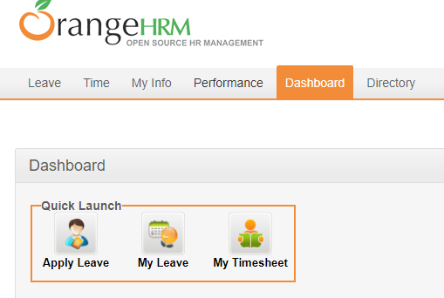 | S3 | P3
TC_MyInfo_007 | ORHRM_002 | user can edit restricted fileds in Personal details | 1) Login to OrangeHRM as ESS user 2) Click on MyInfo tab 3) Click on Personal Details link 4) Click on Edit button |  | S3 | P3
TC_MyInfo_008 | ORHRM_003 | The invalid file format error message for invalid photographs is appearing after the upload is complete. | 1) Login to OrangeHRM as ESS user 2) Click on MyInfo tab 3) Click on the photograph at corner of the screen 4) Click "Browse" and then select a photograph from the relevant path 5) Click "Upload" once you have selected the picture |  | S3 | P3

